pivot charts
Sum of Purchase Amount
 | Total
Credit Card | $40,310
PayPal | $40,109
Cash | $40,002
Debit Card | $38,742
Venmo | $37,374
Bank Transfer | $36,544
Payment Method By Purchases
 | Total
Credit Card | $40,310
PayPal | $40,109
Cash | $40,002
Debit Card | $38,742
Venmo | $37,374
Bank Transfer | $36,544
Most Purchased Season
 | Total
Fall | 60018
Spring | 58679
Winter | 58607
Summer | 55777
Total Sales By Items Purchased
 |  |  |  |  |  |  |  | Total Sales By Item Purchased

 |  |  |  |  |  |  |  | Row Labels | Sum of Purchase Amount (USD)
 |  |  |  |  |  |  |  | Blouse | $10,410
 |  |  |  |  |  |  |  | Shirt | $10,332
 |  |  |  |  |  |  |  | Dress | $10,320
 |  |  |  |  |  |  |  | Pants | $10,090
 |  |  |  |  |  |  |  | Jewelry | $10,010
 |  |  |  |  |  |  |  | Sunglasses | $9,649
 |  |  |  |  |  |  |  | Belt | $9,635
 |  |  |  |  |  |  |  | Scarf | $9,561
 |  |  |  |  |  |  |  | Sweater | $9,462
 |  |  |  |  |  |  |  | Shorts | $9,433
 |  |  |  |  |  |  |  | Grand Total | $98,902

 |  |  |  |  |  |  |  |  |  | KPI
Total Sales By Items Purchased
Gender by purchase |  |  |  |  |  |  |  |  |  | Sum of Purchase Amount (USD)
 |  |  |  |  |  |  |  |  |  | $233,081
Row Labels | Sum of Purchase Amount (USD)
Male | $157,890 |  |  |  |  |  |  |  |  | Count of Customer ID
Female | $75,191 |  |  |  |  |  |  |  |  | 3900
Grand Total | $233,081
 |  |  |  |  |  |  |  |  |  | Min of Purchase Amount (USD)
 |  |  |  |  |  |  |  |  |  | $20

 |  |  |  |  |  |  |  |  |  | Max of Purchase Amount (USD)
 |  |  |  |  |  |  |  |  |  | $100

 |  |  |  |  |  |  |  |  |  | Average of Purchase Amount (USD)
 |  |  |  |  |  |  |  |  |  | $60
 |  | Sales By Size and Category
 |  |  |  |  |  |  |  |  | top 5
 |  | Sum of Purchase Amount (USD) | Column Labels |  |  |  |  | Row Labels | Sum of Purchase Amount (USD)
 |  | Row Labels | Accessories | Clothing | Footwear | Outerwear | Grand Total | Blouse | $10,410
 |  | L | $18,636 | $27,864 | $9,908 | $5,259 | $61,667 | Shirt | $10,332
 |  | M | $33,299 | $47,041 | $16,493 | $8,334 | $105,167 | Dress | $10,320
 |  | S | $14,091 | $17,416 | $5,802 | $3,159 | $40,468 | Pants | $10,090
 |  | XL | $8,174 | $11,943 | $3,890 | $1,772 | $25,779 | Jewelry | $10,010
 |  | Grand Total | $74,200 | $104,264 | $36,093 | $18,524 | $233,081 | Grand Total | $51,162

dashboard
LUXURY FASHION DASHBOARD REPORT

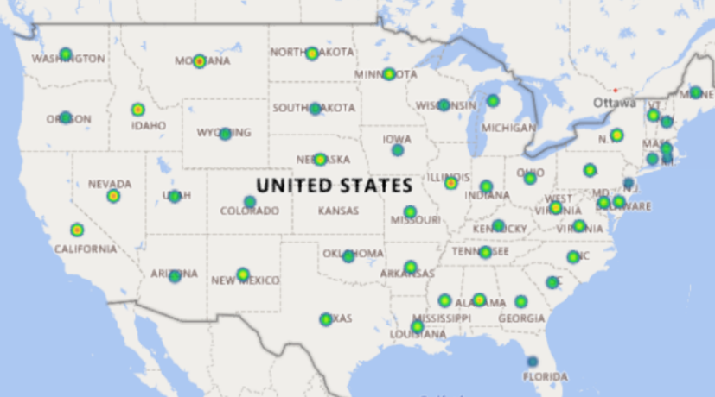
Total Sales
Customers
Min Pricce
Max Pricce
$233,081
3900
$20
$100

Total Sales By Items Purchased
 | Total
Blouse | $10,410
Shirt | $10,332
Dress | $10,320
Pants | $10,090
Jewelry | $10,010
Sunglasses | $9,649
Belt | $9,635
Scarf | $9,561
Sweater | $9,462
Shorts | $9,433
Most Purchased Season
 | Total
Fall | 60018
Spring | 58679
Winter | 58607
Summer | 55777

Top 5 by Sales
 | Total
Blouse | $10,410
Shirt | $10,332
Dress | $10,320
Pants | $10,090
Jewelry | $10,010

Color Preference By Gender
 | Total
Female | $1,248
Male | $2,652

